additional data
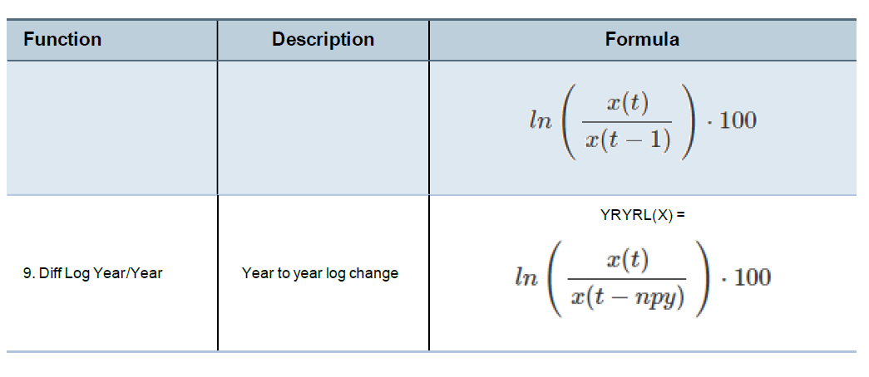
Series to be ADDED
 |  | Malaysia Haver Code (example) | Malaysia DataBuffet Code (example)
Money & Portfolio Flows | Foreign Exchange Reserve (change % year over year) | yryr%(N548LFX@EMERGE) |  | *explanation of the haver functions applied: yryrl(), yryr% etc.
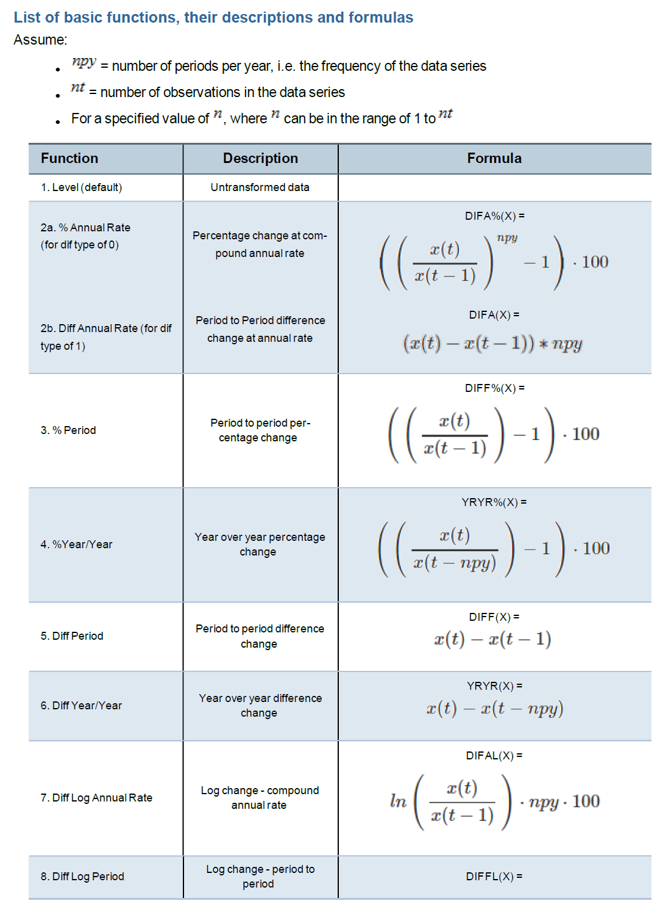
 | Foreign Exchange Reserve (nil USD) / GDP | N548LFX@EMERGE / GDP
Macro Fundamental | Current Account Balance (change % year over year)
 | Current Account Balance (mil USD) / GDP |  | BPLCABUQ.IMYS / GDP
 | Policy rate-fed funds rate differential (based on AVG figures) | FFED@USECON-N548RTAV@EMERGEPR
 | Policy rate-fed funds rate differential (based on EOP figures) | FFEDE@USECON-N548RTAR@EMERGE
 | One-Day Repurchase Rate %AVG
 | One-Day Repurchase Rate %EOP
Bank Lending | Bank lending, mo12m% change (total bank lending) | yryrl(N548FCB@EMERGEPR)-YRYR%(N548PC@EMERGEPR)

Series to be REMOVED
Macro Fundamental | PMI
 | Business Confidence
 | Consumer Expectation
 | Any other confidence/expectation related index

Series Formula
 | variable | formula (assuming current month is Oct)
Money & Portfolio Flows | Velocity of money, lead one month | Oct GDP / Oct month M2
 | Velocity of money, mom change, lead one month | Sep Velocity of money, lead one month - Aug Velocity of money - lead one month
 | Velocity of money, mo12m change, lead one month | Oct Velocity of money, lead one month - last year Oct Velocity of money - lead one month
Stock Market | Stock Prices, mom% change | (Oct stock prices - Sep stock prices) / Sep stock prices * 100
 | Stock Prices, mo24mma% change | Oct stock prices / Sep 24 month moving average stock price
 | Stock Market Volatility | monthly average of (20 days moving std of the stock price)

